Sheet1
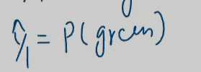
Logistic Regression : This is a Classification Algorithm(which means when u give input its output will be categorical)
 |  | Mostly used in binary classification(0,1),but u can also use in multiclass classification(Y,N,MAYBE)

 |  | IT IS A LINERA MODEL

 | LINEAR REGRESSION |  | LOGISTIC REGRESSION |  |  | APPLIES ON LINEAR,OR SORT OF LINEAR DATA OTHERWISE U DON’T APPLY |  |  |  |  |  |  |  | Q what happens if logistic regression applies on non linear data?
 |  |  |  |  |  |  |  |  |  |  |  |  |  | ANS | Overlapping Classes: In non-linear scenarios, classes may overlap in a way that a straight line can't separate them, resulting in misclassifications.
START WITH LOGISTIC REGRESSION : |  |  | is a classifiaction problem which basically means , I have to draw a line annd classify those two classes
 |  |  | General equation of line: AX+BY+C=0

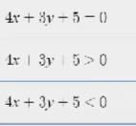

 |  |  |  |  |  | POSITIVE REGION OF LINE

 |  |  |  |  |  | NEGATIVE REGION OF LINE

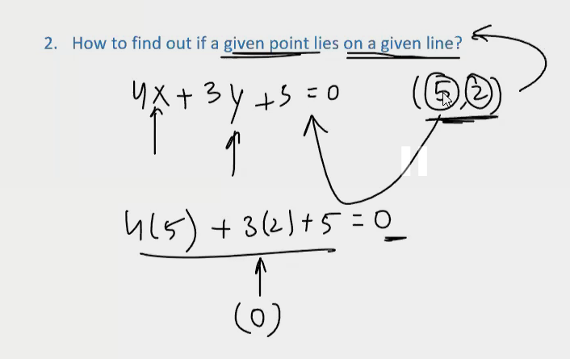

 |  |  | How to find out given point is on the positive side of the line or the negative side of the line?


 |  |  | In classification problem we have to make sure that +ve points lands on the positive region and -ve points lands on the negative region

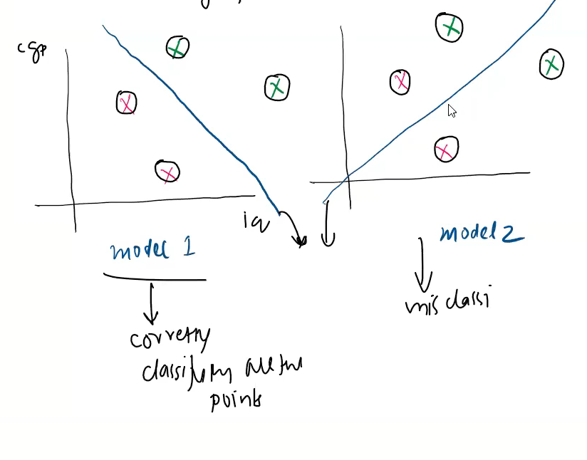

 |  |  | In model 1: 0 misclassification points |  |  |  |  | Model having less misclassication points |  |  |  |  | Good model
 |  |  | In model 2: 2 misclassicication points



 |  |  | if both model have 0 misclassification points then what to do?
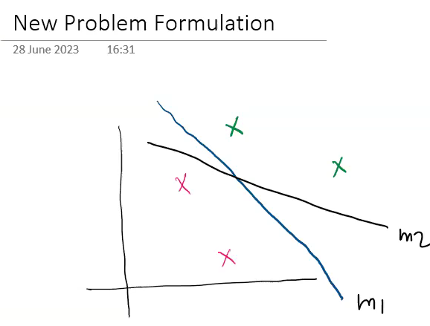

 |  |  |  | instead of saying a positive and negative point, we could assign a number tto these points

 |  |  |  | points which are far from line (0.9),points which are near to line(0.6)

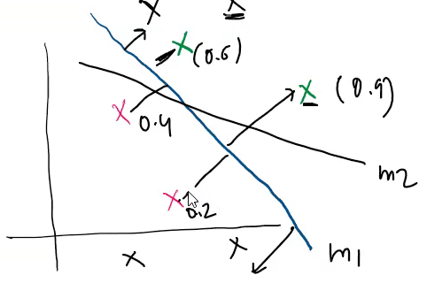

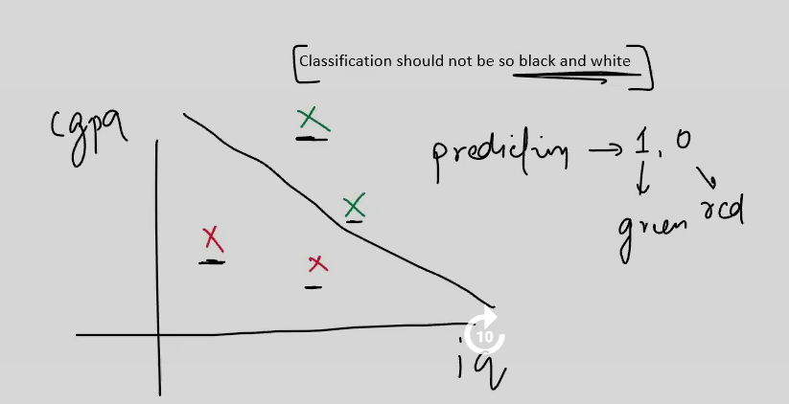

 |  |  |  |  | now how to do prediction for any given point?

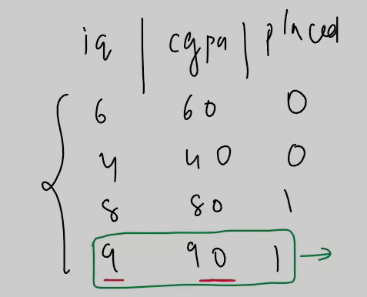

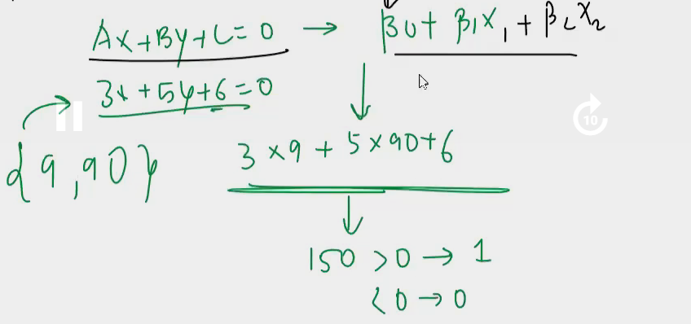

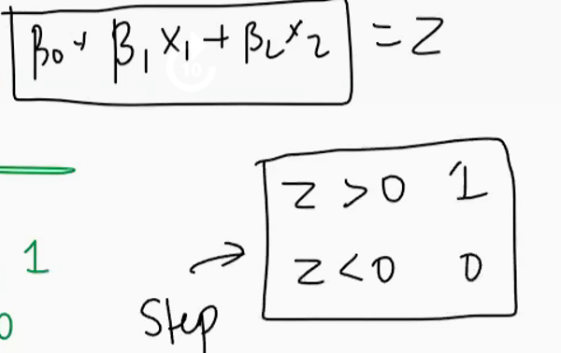

 |  |  |  |  |  |  | STEP FUNCTION

 |  |  |  |  |  |  |  |  |  |  | X and Z same
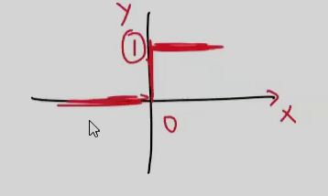

 |  |  |  |  |  |  |  |  |  |  |  | X>0,Y=1
 |  |  |  |  |  |  |  |  |  |  |  | X<0,Y=0

 |  |  |  |  |  |  | we don’t want this behaviour, 0 amd 1
 |  |  |  |  |  |  | I want z>> 0.9
 |  |  |  |  |  |  | z> 0.6 | z ki value less hai then 0.1

 |  |  |  |  |  |  | So we stop using this step function

 |  |  |  |  | We use Sigmoid function |  |  |  | sigma symbol of sigmoid

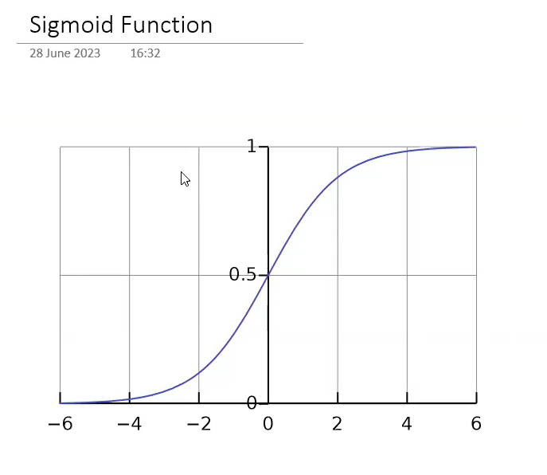

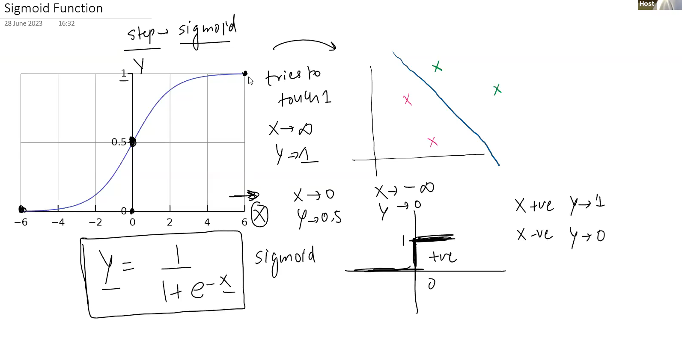

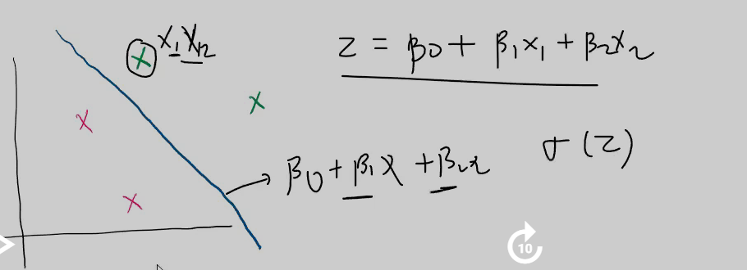
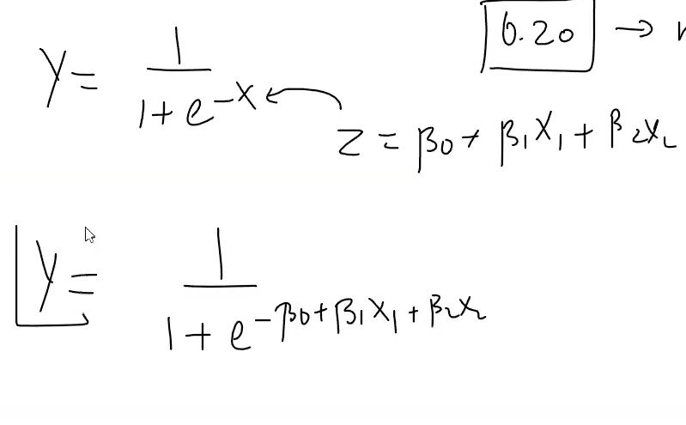

 |  |  |  |  |  |  |  |  |  | you put the values of X1,X2 into this equation,u get the value of Z

 |  |  |  |  |  |  |  |  |  |  |  | depending on the value of Z u get number between 0 to 1

 |  |  |  |  |  |  |  |  |  |  | Z=0 ,then it means that point lies on the line ,and its sigmoid output is 0.5

 |  |  |  |  |  |  |  |  |  | z>0,and its sigmoid output is 0.6

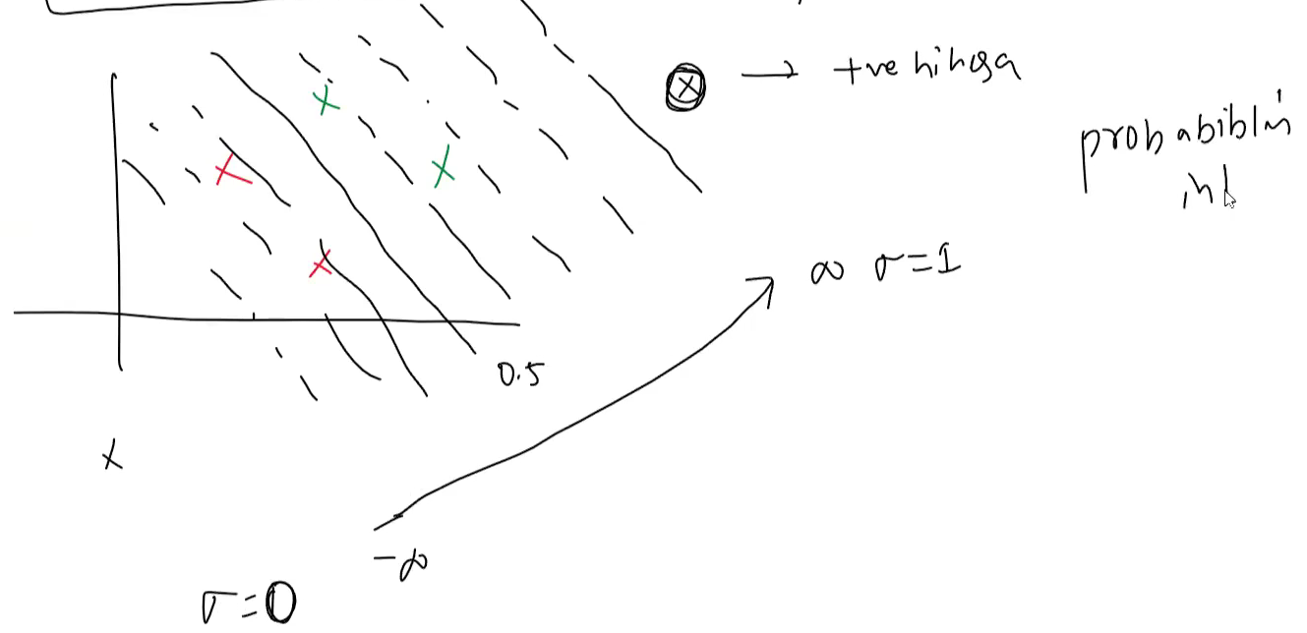

 |  |  |  |  |  |  |  |  |  |  |  |  | siigmoid function gives the nice probablistic interpretation to ur points

 |  |  |  |  |  |  |  |  |  |  |  |  | NOW WE WANT BEST FIT LINE

 |  |  |  |  |  |  |  |  |  |  |  |  |  |  | LOSS FUNCTION

 |  |  |  |  |  |  |  |  |  |  |  |  |  |  | MINIMISED FOR GIVEN PARAMETERS

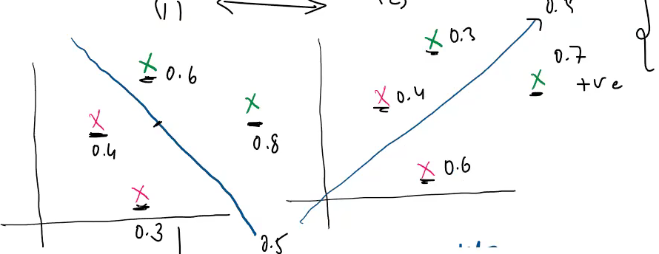

 |  |  |  |  |  |  |  |  |  |  |  |  |  |  |  | WE CALCULATE THE PROBABILITY FOR SUCCESS i.e. 1 (green) for every point

 |  |  |  |  |  |  |  |  |  |  |  |  |  |  |  | model 1 | 0.20 |  | model 2 | 0.05

 |  |  |  |  |  |  |  |  |  |  |  |  |  |  |  |  | Maximum likelihood |  |  | better model(1)

 |  |  |  |  |  |  |  |  |  |  |  |  |  |  |  |  | so we have to find the line whose likelihood is maximum

 |  |  |  |  |  |  |  |  |  |  |  |  |  |  |  |  | the model is able to accurately predict the probabilities of the target variable

 |  |  |  |  |  |  |  |  |  |  |  |  | why we take log in logistic regression |  |  |  |  | but in the data there are thousands points,and if u multiply these probabilies,it tends to be 0

 |  |  |  |  |  |  |  |  |  |  |  |  |  |  |  |  |  |  | So we take a LOG of these probabilities

 |  |  |  |  |  |  |  |  |  |  |  |  |  |  |  |  |  |  |  |  | property of Log is log(0 to1) is -ve number
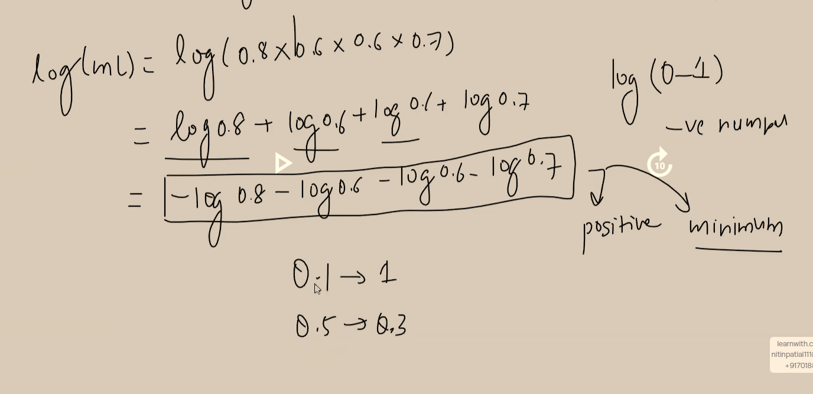

 |  |  |  |  |  |  |  |  |  |  |  |  |  |  |  |  |  |  |  | NOW WE CHOOSE THE MODEL WHOSE LOG(MAXIMUM LIKELIHOOD) IS MINIMUM

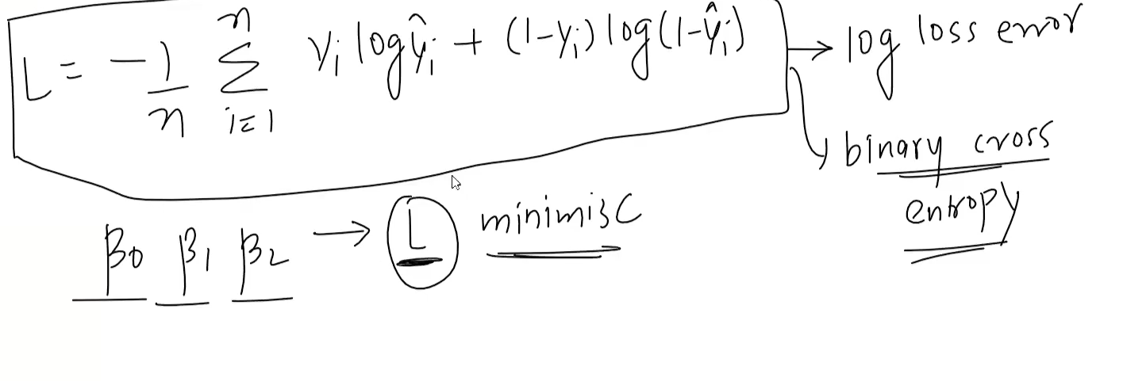
 |  |  |  |  |  |  |  |  |  |  |  |  |  |  |  |  |  |  |  |  |  | Yi is the data ouput(grren(0),red(1))

 |  |  |  |  |  |  |  |  |  |  |  |  |  |  |  |  |  |  |  |  |  | for green use 1st one,and for red use second one

